Sheet1
 | Document No. |  | Issue No. | Issue Date |  |  | Review and Replace Date |  |  |  | Authorised By
 | GFF266MC |  | 3 | 26.05.2021 |  |  | 23.12.2021
 | Document Title |  | Panang Chicken with Jasmine Rice 400g
 |  |  |  |  |  |  |  |  |  |  | Magda Shah
Document amendments reason for change | Film Updated |  |  | Page 1 of 1 |  | Previous Issue Date |  |  | 10.06.2021 |  | Uncontrolled copy unless signed original

CCPANCR-R6TCC & CCPANCR-R4TCC |  | DUNNES & NISA (CC) |  |  | Panang Chicken with Jasmine Rice 400g | CHILLED
STEP 1 |  |  | STEP 2 |  |  |  |  | STEP 3
 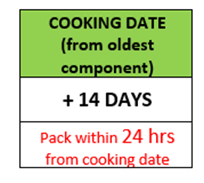 |  |  | 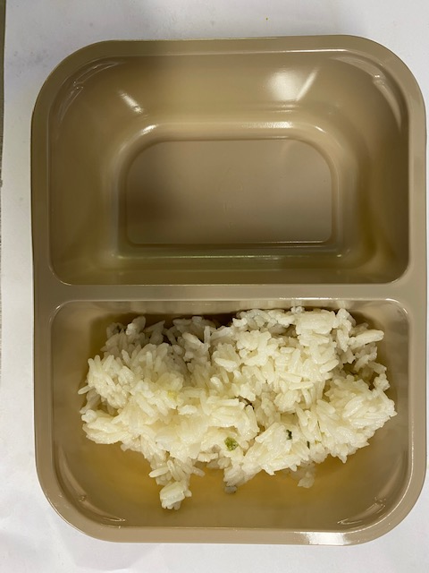 |  |  |  |  | 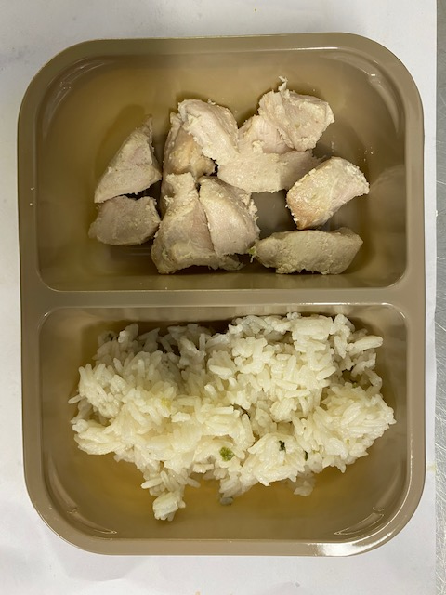

Tray: Evolve CPET 2200-2F (PKRHP001-10) |  |  | Jasmine Rice (GFF162R): 160g |  |  |  |  | British Diced Breast chicken 12-14g (GFF164R): 80g

Film: K peel 7G+25A/f- 275mm (275 mmX1000)(PKKMP001-03)

STEP 3 |  |  | STEP 4 |  |  |  |  | STEP 5
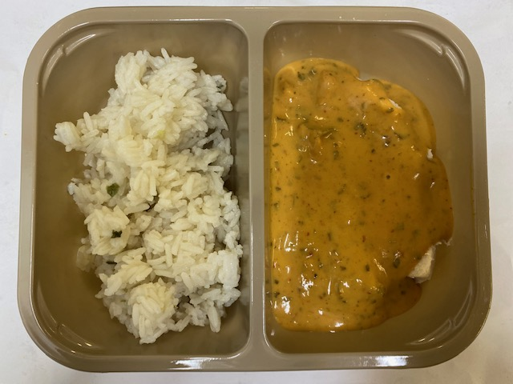 |  |  | 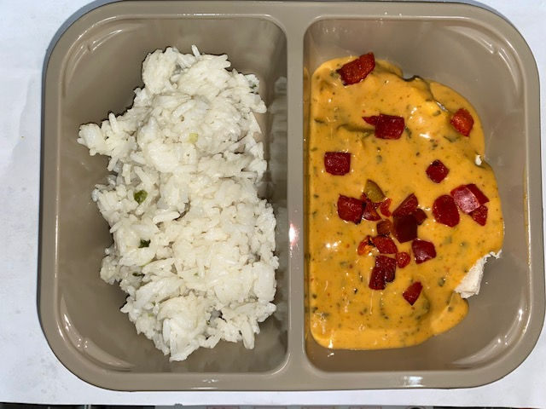 |  |  |  |  | 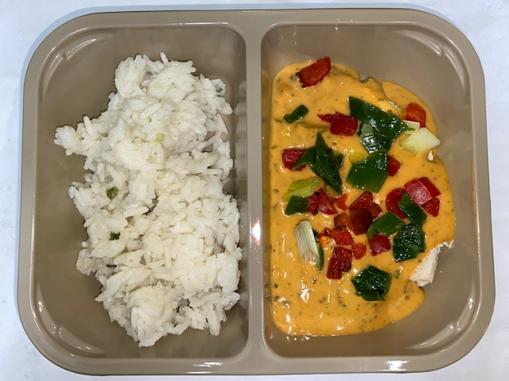

Panang Curry Sauce (GFF199R): 150g |  |  | Grilled Roasted Red Peppers Diced 10MM (RMBOW001-03): 5g |  |  |  |  | Stir Fried Diced Spring Onions 10MM (GFF200R): 5g

ALLERGY ALERT: BARLEY, CRUSTACEAN, FISH, SESAME, SOYA, WHEAT |  |  |  |  |  |  |  |  |  | TOTAL WEIGHT: 400G

